User Story 1
 | Requirenment | Description of the defect
Title | Registration | In the registration form, the names of the fields are lowercase and the name "user name" is two words, not one.
Description | As a user of the MoneyTracker mobile application, I require the ability to register. | In the username field, there are no other valid parameters other than the maximum length, special characters and numbers.
Criteria | 1. The registration form includes three fields: username, password, and email. 2. The username field accepts a string of up to 15 characters, including special characters and numbers. 3. The password field requires a string of at least 6 characters. 4. The email field requires a valid email address. 5. If an invalid value is entered into any field, that field will be highlighted in red, and a validation message will appear. 6. Upon successful registration, the user is redirected to the application's main screen. | No valid parameters other than the minimum length are specified in the password field.
Design | 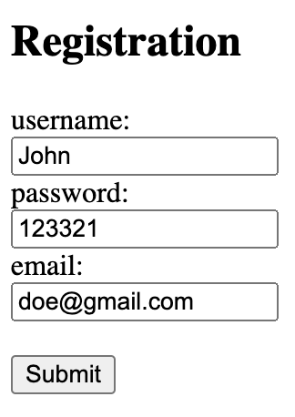

User Story 2
 | Requirenment | Description of the defect
Title | Main Screen | On the diagram, the inscriptions about the amount of income and expenses are displayed in too small a font.
Description | As a MoneyTracker mobile application user, I want to view key information immediately upon accessing the application's Main Screen. | The description does not provide a way to select a currency.
Criteria | 1. The application's Main Screen displays the user's total income and expenses. 2. The user can select a currency. 3. Upon currency selection, the currency icon displayed alongside the income and expense totals will update accordingly. 4. The "Add" button, located at the bottom of the screen, allows the user to add new income or expense entries. 5. The user can click on the total expenses or income to navigate to the "Details" screen. 6. An expenses and income chart is displayed at the top of the screen. | Inscriptions on the layout are displayed in different languages.
Design | 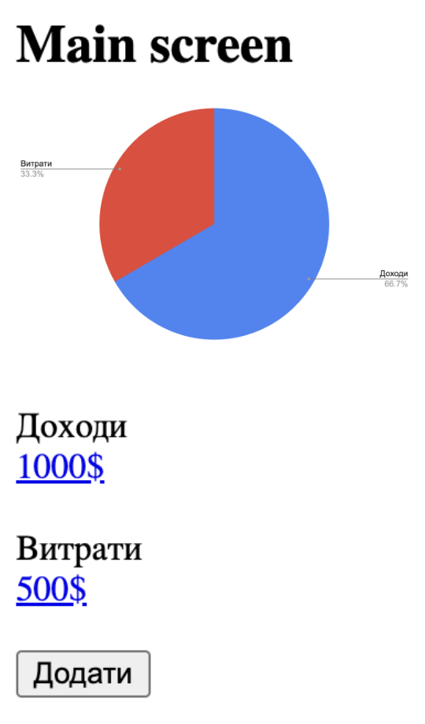

User Story 3
 | Requirenment | Description of the defect
Title | Details | The list of expenses and income is displayed in the same font without highlighting elements, which hinders quick perception.
Description | As a MoneyTracker mobile application user, I want to be able to view the details of all my recorded expenses and income. | The "Back" arrow should be highlighted in a different color or add the inscription "Back" because it merges with other text and reduces navigation speed.
Criteria | 1. Clicking a link on the main screen navigates to the "Details" screen. 2. On the Details screen, the user views a list of added expenses and incomes. 3. The user can return by clicking the back arrow. | The algorithm for adding items to the list of income and expenses is not clearly described.
Design | 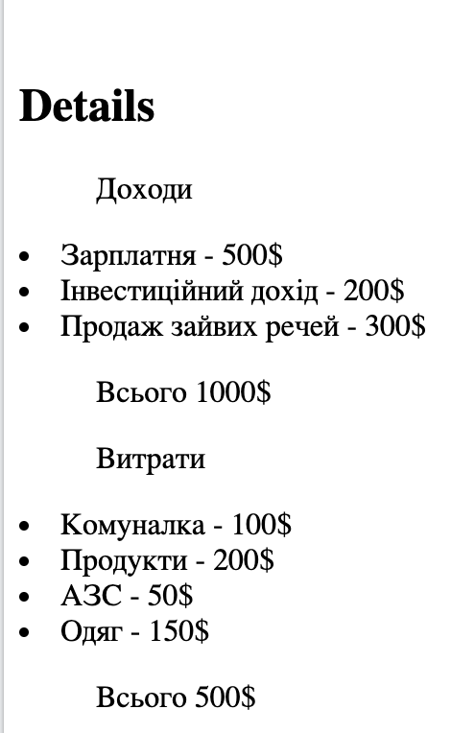 | To speed up navigation, it is worth adding the ability to move between screens using a swipe.

User Story 4
 | Requirenment | Description of the defect
Title | Modal window for adding expenses/income | The Income and Expense radio buttons are not described in any way MoneyTracker mobile application
Description | As a MoneyTracker mobile application user, I want the ability to add expenses and income. | On the layout, the button in the form of a cross for closing the modal window is missing, described in the Criteria.
Criteria | 1. Clicking the "Add" button on the main screen opens a modal window. 2. After completing the fields, the user can click the "Add" button. This action closes the modal window, and the user observes the updated income/expense totals on the main screen. 3. The user can close the modal window by clicking the close icon (X) in the upper-right corner. 4. The user can enter the amount and category. | There is no description of valid values for the fields Amount and Category of expenses.
Design | 